Instructions
Salary Cap Budget Salary Cap Calculator Instructions |  | NIH Salary cap - historically has been set at the Executive Level II rate |  |  | https://grants.nih.gov/grants/guide/notice-files/NOT-OD-25-085.html
1 | Look up the current Sponsor Salary Cap amount (see sidebar to the right). | USDA Salary cap - historically has been set at the Executive Level IV rate |  |  | https://www.nifa.usda.gov/grants/regulations-and-guidelines/terms-conditions
2 | Open the "Cost Share Calculator" sheet and enter the current Sponsor Salary Cap Amount in the pink cell for 12 Month Cap (Cell B:18). | DOJ Salary cap - historically 110% of Executive Level II rate |  |  | https://www.ojp.gov/funding/financialguidedoj/iii-postaward-requirements
3 | If the faculty member is close to or above the salary cap (refernce the amount you enterd for 12 month faculty, or the box below for 9 month faculty), then fill in the first six pink cells (Cells B2 through B7). | Current pay scales can be found at the link below; these are updated roughly each January so must be checked to determine current rate
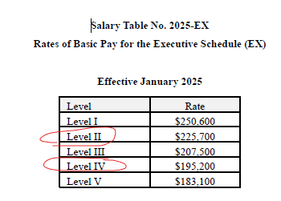
4 | If the faculty member has a 12 month appointment, fill in the Calendar Month column with the same numbers used in the budget. |  |  | https://www.opm.gov/policy-data-oversight/pay-leave/salaries-wages/
5 | If the faculty member has a 9 month appointment, fill in both the Academic and Summer month columns with the same numbers used in the budget.
6 | The columns on the right will show the anticipated amount UNL will have to pay above what the Sponsor will pay (includes salary and fringe benefits).
7 | For internal purposes only, route only the amount of summer cost share (shown in red) in NuRamp so the department can review and approve the amount that will have to come out of their budget (not a state line). These amounts are not reported to the sponsor. |  | Example of rate table and how to read:
 | revised 8/7/2025

